Price List
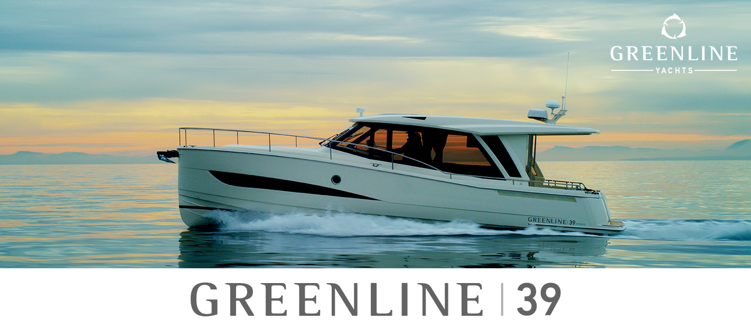

Technical characteristics

Length overall | 11.99 m / 39'5''
Beam | 3.75 m / 12'4''
Draft empty | 0.9 m / 2'11''
Displacement empty | 7000 kg / 15432 lbs
Fuel capacity | 700 l / 185 gal
Water capacity | 400 l / 106 gal
Black water tank capacity | 80 l / 21 gal
Layout versions | 2 + salon (4 + 2 berths)
Toilets / washroom | 1
CE category | B
Design exterior | J&J Design

Greenline 39 built to standard specification in accordance with propulsion choices | Price excl. VAT
DIESEL ENGINES
YANMAR 4LV250 - 250HP - 18 kts top speed | 393,900 €
YANMAR 8LV - 370 HP (272 kW) - 26 kts top speed | 403,000 €
H-DRIVE System 6G (replaces standard inverter and LiFePo battery bank) | 454,100 €
1 x Yanmar 250HP 18 kts top speed, 7" Simrad display
1x Electric motor - 6.5 kts top speed - 2 x11 kWh@56V Lithium Ion battery
14 kW generator power in diesel mode. Automatic inverter charger 56V/5000VA/70A
H-DRIVE UPGRADE: 1 x 11 kWh@56V Lithium Ion battery (maximum 1 additional unit) | 15,400 €

OPTIONAL EQUIPMENT LIST

EXTERIOR - HULL COLOR
Hull colour Pure White (RAL 9010) + cabin colour Pure White (RAL 9010) | STD
EXTERIOR - FORWARD DECK “SUN BATHING AREA” - BEIGE COLOR | € 5,100
Sun mattress with lifting headrest includes Bimini top over the lifting headrest
Protective cover for sun bathing area
EXTERIOR - FORWARD DECK “SUN BATHING AREA” - GREY COLOR | € 5,100
Sun mattress with lifting headrest includes Bimini top over the lifting headrest
Protective cover for sun bathing area
EXTERIOR - SUN CUSHIONS
Sun cushions on the deck forward - BEIGE COLOR | € 2,700
Sun cushions on the deck forward - GREY COLOR | € 2,700
INTERIOR
Venetian wooden blinds in the saloon + pleated shades in the cabins with choice of colours | € 4,500
Manual lowerable dinning table in salon incl. infilled cushion | € 2,900
Mirror package: one 1,6m x 40cm mirror inside each cabin door | STD
Owners cabin island / comfort bed (instead of standard two scissor berths) | € 3,800
INTERIOR - UPHOLSTERY
Upholstery in Rugana CREAM fabric | STD
Upholstery in Rugana GREY fabric | STD
Upholstery in Sand CREAM microfibre fabric | € 1,300
Upholstery in Sand BLUE microfibre fabric | € 1,300
Upholstery in Mexico CREAM artificial leather fabric | € 1,900
Upholstery in Mexico BROWN artificial leather fabric | € 1,900
INTERIOR - WOOD
Furniture in Gold teak, Dark laminate salon floor, Kerrock counter top and sink | STD
Furniture in Walnut, Dark laminate salon floor with stripes, Kerrock counter top and sink | € 4,900
Furniture in Silver Oak veneer, Dark laminate salon floor, Kerrock counter top and sink | € 6,900
OPTIONAL PACKAGES
Greenline Electricity package | STD
4 x Photovoltaic panel integrated in the coachroof 280 W each - 2x200 LiFePo Victron service battery (5.12 kW) - Automatic inverter charger 12V/3000VA/120A (permanent 230V on board system)
Waterproof 220 V socket in cockpit | STD | NEW
Electricity package upgrade (only for Diesel Drive) | € 9,800
Upgrade to 5000VA inverter (replaces 3000VA std inverter)
2 x additional LiFePo 12V 200 Ah batteries - totalling 10.24 kW service battery
With this package all 220V/110V devices will be connected to Inverter.
Navigation package | € 11,400
SIMRAD Chartplotter NSS evo3S 12-inch, SIMRAD Autopilot AP44 VRF medium capacity pack
DST810 Smart transducer, digital switching for 8 fuses, GRP navigation console.
Navigation options upgrades
Greenline App control system including power, tanks, solar and location monitoring with 2 years of subscription plan included | STD
UPGRADE: SIMRAD Chartplotter NSO MFD evo3S 16-inch | € 4,000
SIMRAD HALO20+ (doppler technology up to 36 nautical miles) | € 3,000
WR10 Autopilot remote control | € 700
SIMRAD RS40-B fixed-mount DSC VHF Radio with integrated AIS transmitter and receiver | € 2,200
Airmar SS60 Fishfinder Transducer (replaces DST810) | € 700
2 cameras (one on the middle of the stern, one in the engine room) | € 5,400 | NEW
C-Map northern and cental EU (M-EN-Y050-MS) | € 199
C-Map southern EU (M-EM-Y045-MS) | € 199
Entertainment pack 1 | € 4,100
LED LCD TV 32” DVBT with electric lifting mechanism in the salon remote controlled - mounted and prewired
LED LCD TV 24” DVBT in the owner`s cabin - mounted and prewired
TV antenna for digital / analog signals
Audio pack 1 (Salon & Cockpit) | € 2,400
Fusion Apollo MS-RA770 Marine Entertainment system, AM/FM/WiFi/BT streaming
Fusion AUX/USB connector. 4 x Fusion 2-way waterproof speakers, in cockpit/salon
Audio pack 2 (Owner's cabin) | € 1,300
Fusion SRX400, Marine Entertainment system, AM/FM/WiFi/BT streaming
Fusion 2 x Fusion 2-way speakers
Other options | Price excl. VAT
Eco teak decking in cockpit - to the stairs | € 12,100
Eco teak decking in cockpit, sidewalks and deck forward | € 19,900
Eco teak decking over "Sun Bathing Area" and cockpit seats | € 6,700
Flexiteek decking in cockpit - to the stairs | € 9,400
Flexiteek decking in cockpit, sidewalks and deck forward | € 15,400
Flexiteek decking over "Sun Bathing Area" and cockpit seats | € 5,000
Canvas exterior covers including front window covers | € 4,800
Mesh covers for side and front windows | € 2,500 | NEW
Ducted air conditioning 10.000 BTU (only 220V) | STD
Upgrade: Marine reverse cycle air conditioning, 16.000BTU (replacing STD AC) | € 8,800
Tropical air conditioning, upgrade to 32.000BTU (replacing STD AC) | € 18,200
Diesel heating system, five outlets (salon, navigation windows, toilet, owner and guest cabins) | € 5,500
City water connection | STD
Chain and anchor wash-down, including water hose and nozzle (fresh water) | STD
Grey water tank 215 L, deck discharge fitting, 12V discharge pump, seacock, hull exit | € 4,100
Additional fresh water tank, 215 L (incompatible together with grey water tank option) | € 4,100
Stainless steel anchor, Delta 16kg (upgrade from standard) | € 1,300
Stainless steel chain, 50m (upgrade from standard) | € 1,200
Docking pack (6 fenders, 4 x mooring lines) | € 1,000
Dishwasher 6 persons, 230V (requires installation of grey water tank option) | € 2,900
Generator 4 kW / 50 Hz / 230 V | € 19,900
Sternthruster 4.4 kW with additional battery bank (Sleipner) | € 6,500
...

