Price List
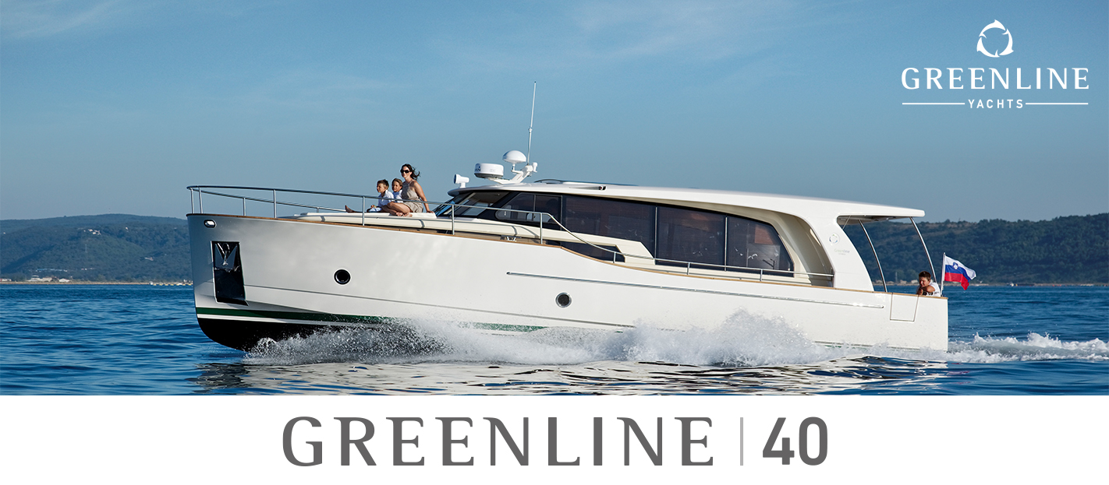

Technical characteristics

Length overall | 11.99 m / 39'5''
Beam | 4.25 m / 13'11''
Draft empty | 0.85 m / 2'9''
Displacement empty | 8000 kg / 17636 lbs
Fuel capacity | 700 l / 185 gal
Water capacity | 400 l / 106 gal
Black water tank capacity | 80 l / 21 gal
Layout versions | 2 + salon (4 + 2 berths)
Toilets / washroom | 1
CE category | B
Design exterior | J&J Design

Greenline 40 built to standard specification in accordance with propulsion choices | Price excl. VAT
DIESEL ENGINES
2x Yanmar 4LV250 - 250HP - 22 kts top speed | 463,700 €
H-DRIVE System 6G (replaces standard inverter and LiFePo battery bank) | 573,100 €
2 x Yanmar 250HP 22 kts top speed, 7" Simrad display
2 x Electric motor / generator (in diesel mode) - 6.5 kts top speed
3 x 11 kWh@56V Lithium Ion battery
Automatic charger 90A, inverter 5000W.
H-DRIVE UPGRADE: 1 x 11 kWh@56V Lithium Ion battery (maximum 3 additional units) | 15,400 €

OPTIONAL EQUIPMENT LIST

EXTERIOR - HULL COLOR
Hull colour Pure White (RAL 9010) + cabin colour Pure White (RAL 9010) | STD
EXTERIOR - FORWARD DECK “SUN BATHING AREA” - BEIGE COLOR | € 5,600
Sun mattress with lifting headrest includes Bimini top over the lifting headrest
Protective cover for sun bathing area
EXTERIOR - FORWARD DECK “SUN BATHING AREA” - GREY COLOR | € 5,600
Sun mattress with lifting headrest includes Bimini top over the lifting headrest
Protective cover for sun bathing area
EXTERIOR - SUN CUSHIONS
Sun cushions on the deck forward - BEIGE COLOR | € 2,800
Sun cushions on the deck forward - GREY COLOR | € 2,800
Cockpit bench with storage (GRP) with cushion - BEIGE COLOR | € 4,100
Cockpit bench with storage (GRP) with cushion - GREY COLOR | € 4,100
INTERIOR
Venetian wooden blinds in the saloon + pleated shades in the cabins | € 4,900
Indirect lighting in the salon | STD
Mirror package: one 1,6m x 40cm mirror inside each cabin door. | STD
Owners cabin island / comfort bed (instead of standard two scissor berths) | € 4,000
INTERIOR - UPHOLSTERY
Upholstery in Rugana CREAM fabric | STD
Upholstery in Rugana GREY fabric | STD
Upholstery in Sand CREAM microfibre fabric | € 1,500
Upholstery in Sand BLUE microfibre fabric | € 1,500
Upholstery in Mexico CREAM artificial leather fabric | € 2,400
Upholstery in Mexico BROWN artificial leather fabric | € 2,400
INTERIOR - WOOD
Furniture in Gold teak, Dark laminate salon floor, Kerrock counter top and sink | STD
Furniture in Walnut, Dark laminate salon floor with stripes, Kerrock counter top and sink | € 5,300
Furniture in Silver Oak veneer, Dark laminate salon floor, Kerrock counter top and sink | € 7,300
OPTION PACKAGES
Greenline electricity package | STD
6 x Photovoltaic panel integrated in the coachroof approx 280 W each - 2 x 200Ah LiFePo Victron service battery (5.12 kW) - Automatic inverter charger 12V/3000VA/120A (permanent 230V on board system) - Greenline App control system
Waterproof 220 V socket in cockpit | STD | NEW
Electricity package upgrade (only for Diesel Drive) | € 9,800
Upgrade to 5000VA inverter (replaces 3000VA std inverter)
2 x 200 Ah additional LiFePo 12V batteries - totalling 10.24 kW service battery
With this package all 220V/110V devices will be connected to Inverter.
Navigation package | € 11,600
SIMRAD Chartplotter NSS evo3S 12-inch, SIMRAD Autopilot AP44 VRF medium capacity pack
DST810 Smart transducer, digital switching for 8 fuses, GRP navigation console.
Navigation options upgrades
Greenline App control system including power, tanks, solar and location monitoring with 2 years of subscription plan included | STD
SIMRAD HALO20+ (doppler technology up to 36 nautical miles) | € 3,000
WR10 Autopilot remote control | € 700
SIMRAD RS40-B fixed-mount DSC VHF Radio with integrated AIS transmitter and receiver | € 2,200
Airmar SS60 Fishfinder Transducer (replaces DST810) | € 700
2 cameras (one on the middle of the stern, one in the engine room) | € 5,400 | NEW
C-Map northern and cental EU (M-EN-Y050-MS) | € 199
C-Map southern EU (M-EM-Y045-MS) | € 199
Entertainment pack 1 | € 4,100
LED LCD TV 32” DVBT with electric lifting mechanism in the salon remote controlled - mounted and prewired
LED LCD TV 24” DVBT in the owner`s cabin - mounted and prewired
TV antenna for digital / analog signals
Audio pack 1 (Salon & Cockpit) | € 2,400
Fusion Apollo MS-RA770 Marine Entertainment system, AM/FM/WiFi/BT streaming
Fusion AUX/USB connector. 4 x Fusion 2-way waterproof speakers, in cockpit/salon
Audio pack 2 (Owner's cabin) | € 1,300
Fusion SRX400, Marine Entertainment system, AM/FM/WiFi/BT streaming
Fusion 2 x Fusion 2-way speakers
Other options | Price excl. VAT
Eco teak decking in cockpit - to the stairs | € 14,400
Eco teak decking in cockpit, sidewalks and deck forward | € 23,200
Eco teak decking over "Sun Bathing Area" and cockpit seats | € 7,300
Flexiteek decking in cockpit - to the stairs | € 11,100
Flexiteek decking in cockpit, sidewalks and deck forward | € 17,600
Flexiteek decking over "Sun Bathing Area" and cockpit seats | € 5,000
Canvas exterior covers including front window covers | € 5,900
Mesh covers for side and front windows | € 2,500 | NEW
Reverse cycle air conditioning system, three outlets (salon, guest and owner) 32.000 BTU | € 18,200
Tropical reverse cycle air conditioning system, three outlets (salon, guest and owner) 40.000 BTU | € 23,900
Diesel heating system, five outlets (salon, toilet, front window, guest and owner) | € 5,500
Windshield electric defroster (incompatible with Tropical A/C option) | € 3,800
Sliding roof, electrically operated | € 12,600
City water connection | STD
Chain and anchor wash-down, including water hose and nozzle (fresh water) | STD
Grey water tank 400 L, deck and hull discharge, (in case of Gyro, capacity reduced to 215L) | € 4,900
Additional fresh water tank, 400 L (incompatible with grey water tank option) (in case of Gyro, capacity reduced to 215L) | € 4,900
Docking pack (6 fenders, 4 x mooring lines) | € 1,000
Washing machine 3 kg, 230V (requires installation of grey water tank option) | € 2,400
Dishwasher 6 persons, 230V (requires installation of grey water tank option) | € 2,900
Generator 4 kW / 50 Hz / 230 V | € 19,900
...

